MMA
Source: | http://www.caiso.com/Documents/MMARequestsReceived-AddStorage-Existing-NewGenerationSites.pdf
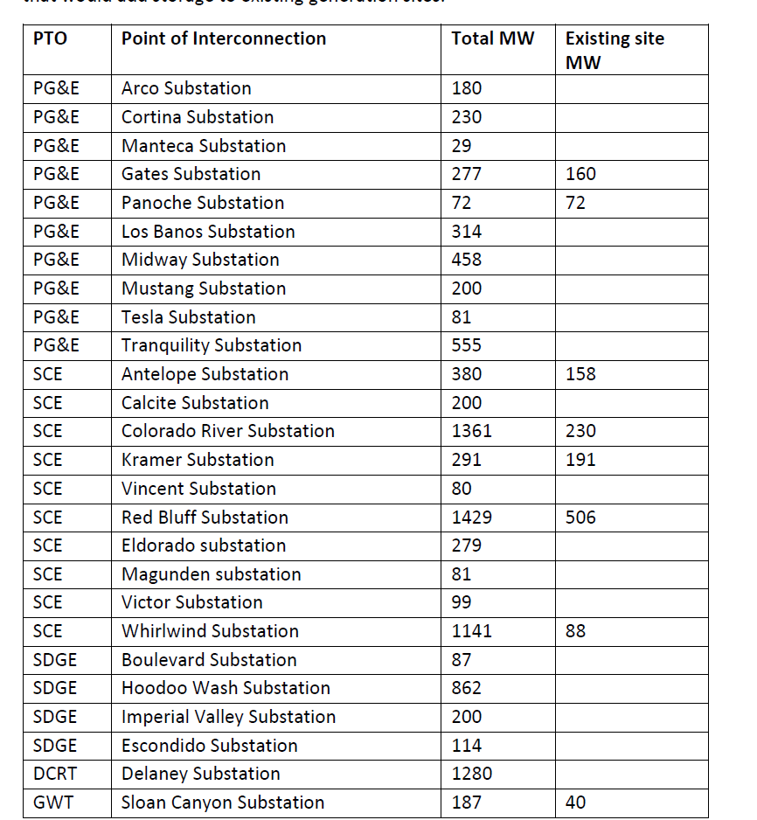
 | PTO | Point of Interconnection | Total MW | Existing Site MW
 | PG&E | Arco | 180
 | PG&E | Cortina | 230
 | PG&E | Manteca | 29
 | PG&E | Gates | 277 | 160
 | PG&E | Panoche | 72 | 72
 | PG&E | Los Banos | 314
 | PG&E | Midway | 458
 | PG&E | Mustang | 200
 | PG&E | Tesla | 81
 | PG&E | Tranquility | 555
 | SCE | Antelope | 380 | 158
 | SCE | Calcite | 200
 | SCE | Colorado River | 1361 | 230
 | SCE | Kramer | 291 | 191
 | SCE | Vincent | 80
 | SCE | Red Bluff | 1429 | 506
 | SCE | Eldorado | 279
 | SCE | Magunden | 81
 | SCE | Victor | 99
 | SCE | Whirlwind | 1141 | 88
 | SDGE | Boulevard | 87
 | SDGE | Hoodoo Wash | 862
 | SDGE | Imperial Valley | 200
 | SDGE | Escondido | 114
 | DCRT | Delaney | 1280
 | GWT | Sloan Canyon | 187 | 40

